Siteplan
Irish Traffic Surveys LTD
Survey Name : |  | ITS - 1078 N11 Kilpedder
Survey Type: |  | Automatic Traffic Count (ATC) Survey
Date: |  | 10.03.26 - 17.03.26
Time: |  | 00:00 - 23:59
Location: |  | 53.118270, -6.107860
Classification: |  | Car, LGV, OGV1, OGV2, PSV
Grid Reference: |  | O 26716 09170
X: |  | 326716
Y: |  | 209170
Latitude: |  | 53.11827
Longitude: |  | -6.10786
Address (near): |  | Killickabawn Road, Kilcoole ED, The Municipal District of Greystones, County Wicklow, Leinster, A63 DE00, Ireland
Site Overview
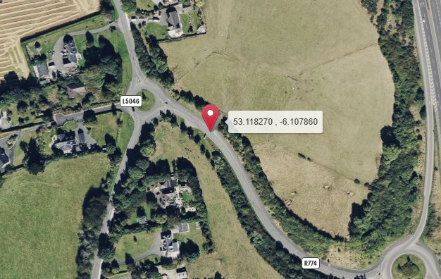

Direction A

Direction B

N

Description | Grid Reference | X | Y | Latitude | Longitude | Postcode | Address (near) | Point Link | Link For All Points
53.992382 , -6.512409 | H 97604 05799 | 297604 | 305799 | 53.992382 | -6.512409 |  | L31361, Castlering ED, The Municipal District of Dundalk, County Louth, Leinster, Ireland | Link | Link for All 1 Points

Summary
Irish Traffic Surveys LTD
Survey Name : |  | ITS - 1078 N11 Kilpedder
Survey Type: |  | Automatic Traffic Count (ATC) Survey
Date: |  | 10.03.26 - 17.03.26
Time: |  | 00:00 - 23:59
Location: |  | 53.990083, -6.125944
Classification: |  | Car, LGV, OGV1, OGV2, PSV
Site 3 |  |  |  |  |  |  | Weather
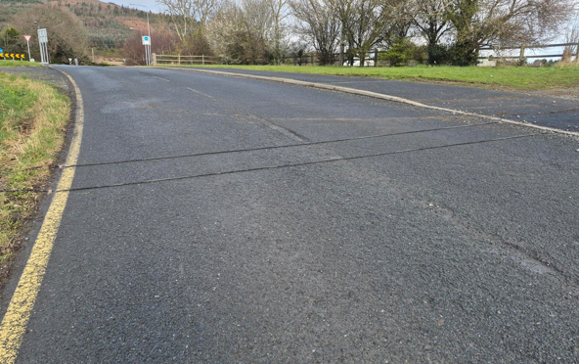
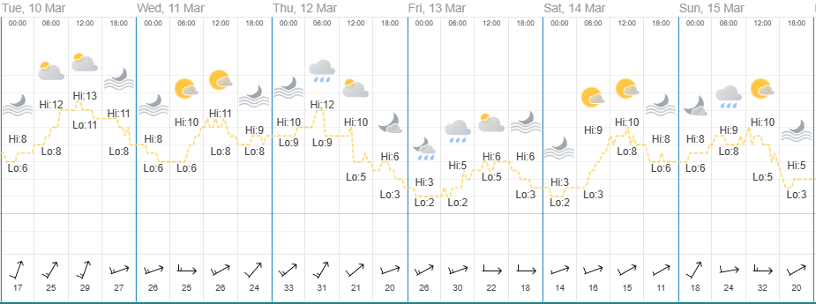
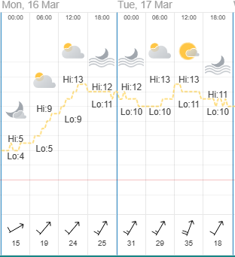

Direction A

Direction B

Virtual Week
Virtual Week - Both Directions |  |  |  |  |  |  |  |  |  |  | Virtual Week - Direction A |  |  |  |  |  |  |  |  |  |  | Virtual Week - Direction B

 | Monday | Tuesday | Wednesday | Thursday | Friday | Saturday | Sunday | AWDT | AWET | ADT |  | Monday | Tuesday | Wednesday | Thursday | Friday | Saturday | Sunday | AWDT | AWET | ADT |  | Monday | Tuesday | Wednesday | Thursday | Friday | Saturday | Sunday | AWDT | AWET | ADT
0:00:00 | 4 | 4 | 8 | 5 | 15 | 19 | 7 | 7 | 13 | 9 | 0:00:00 | 3 | 2 | 3 | 3 | 5 | 11 | 6 | 3 | 9 | 5 | 0:00:00 | 1 | 2 | 5 | 2 | 10 | 8 | 1 | 4 | 5 | 4
1:00:00 | 3 | 2 | 2 | 2 | 7 | 9 | 11 | 3 | 10 | 5 | 1:00:00 | 3 | 0 | 1 | 1 | 5 | 4 | 9 | 2 | 7 | 3 | 1:00:00 | 0 | 2 | 1 | 1 | 2 | 5 | 2 | 1 | 4 | 2
2:00:00 | 0 | 4 | 0 | 1 | 7 | 2 | 5 | 2 | 4 | 3 | 2:00:00 | 0 | 3 | 0 | 0 | 3 | 1 | 4 | 1 | 3 | 2 | 2:00:00 | 0 | 1 | 0 | 1 | 4 | 1 | 1 | 1 | 1 | 1
3:00:00 | 0 | 0 | 0 | 3 | 1 | 7 | 3 | 1 | 5 | 2 | 3:00:00 | 0 | 0 | 0 | 2 | 1 | 4 | 2 | 1 | 3 | 1 | 3:00:00 | 0 | 0 | 0 | 1 | 0 | 3 | 1 | 0 | 2 | 1
4:00:00 | 4 | 4 | 2 | 7 | 5 | 3 | 0 | 4 | 2 | 4 | 4:00:00 | 3 | 0 | 0 | 3 | 1 | 1 | 0 | 1 | 1 | 1 | 4:00:00 | 1 | 4 | 2 | 4 | 4 | 2 | 0 | 3 | 1 | 2
5:00:00 | 4 | 8 | 10 | 8 | 7 | 4 | 2 | 7 | 3 | 6 | 5:00:00 | 1 | 1 | 2 | 1 | 0 | 1 | 1 | 1 | 1 | 1 | 5:00:00 | 3 | 7 | 8 | 7 | 7 | 3 | 1 | 6 | 2 | 5
6:00:00 | 13 | 56 | 53 | 71 | 36 | 19 | 2 | 46 | 11 | 36 | 6:00:00 | 7 | 23 | 24 | 41 | 8 | 8 | 2 | 21 | 5 | 16 | 6:00:00 | 6 | 33 | 29 | 30 | 28 | 11 | 0 | 25 | 6 | 20
7:00:00 | 59 | 199 | 153 | 137 | 135 | 44 | 8 | 137 | 26 | 105 | 7:00:00 | 35 | 100 | 60 | 40 | 43 | 14 | 5 | 56 | 10 | 42 | 7:00:00 | 24 | 99 | 93 | 97 | 92 | 30 | 3 | 81 | 17 | 63
8:00:00 | 118 | 273 | 269 | 237 | 255 | 107 | 26 | 230 | 67 | 184 | 8:00:00 | 62 | 109 | 93 | 83 | 88 | 38 | 15 | 87 | 27 | 70 | 8:00:00 | 56 | 164 | 176 | 154 | 167 | 69 | 11 | 143 | 40 | 114
9:00:00 | 86 | 408 | 179 | 198 | 204 | 177 | 62 | 215 | 120 | 188 | 9:00:00 | 56 | 209 | 57 | 65 | 63 | 74 | 41 | 90 | 58 | 81 | 9:00:00 | 30 | 199 | 122 | 133 | 141 | 103 | 21 | 125 | 62 | 107
10:00:00 | 148 | 161 | 163 | 163 | 196 | 211 | 96 | 166 | 154 | 163 | 10:00:00 | 78 | 62 | 53 | 61 | 89 | 93 | 55 | 69 | 74 | 70 | 10:00:00 | 70 | 99 | 110 | 102 | 107 | 118 | 41 | 98 | 80 | 92
11:00:00 | 134 | 167 | 172 | 188 | 182 | 223 | 87 | 169 | 155 | 165 | 11:00:00 | 77 | 71 | 68 | 79 | 68 | 94 | 58 | 73 | 76 | 74 | 11:00:00 | 57 | 96 | 104 | 109 | 114 | 129 | 29 | 96 | 79 | 91
12:00:00 | 157 | 189 | 224 | 214 | 222 | 241 | 120 | 201 | 181 | 195 | 12:00:00 | 96 | 86 | 87 | 93 | 96 | 137 | 80 | 92 | 109 | 96 | 12:00:00 | 61 | 103 | 137 | 121 | 126 | 104 | 40 | 110 | 72 | 99
13:00:00 | 117 | 187 | 213 | 225 | 238 | 219 | 134 | 196 | 177 | 190 | 13:00:00 | 84 | 92 | 92 | 98 | 101 | 126 | 95 | 93 | 111 | 98 | 13:00:00 | 33 | 95 | 121 | 127 | 137 | 93 | 39 | 103 | 66 | 92
14:00:00 | 134 | 212 | 225 | 208 | 272 | 147 | 121 | 210 | 134 | 188 | 14:00:00 | 96 | 76 | 101 | 85 | 104 | 82 | 77 | 92 | 80 | 89 | 14:00:00 | 38 | 136 | 124 | 123 | 168 | 65 | 44 | 118 | 55 | 100
15:00:00 | 130 | 201 | 245 | 233 | 285 | 101 | 130 | 219 | 116 | 189 | 15:00:00 | 89 | 87 | 129 | 108 | 126 | 65 | 85 | 108 | 75 | 98 | 15:00:00 | 41 | 114 | 116 | 125 | 159 | 36 | 45 | 111 | 41 | 91
16:00:00 | 143 | 222 | 275 | 217 | 287 | 176 | 103 | 229 | 140 | 203 | 16:00:00 | 94 | 100 | 126 | 112 | 141 | 78 | 76 | 115 | 77 | 104 | 16:00:00 | 49 | 122 | 149 | 105 | 146 | 98 | 27 | 114 | 63 | 99
17:00:00 | 96 | 231 | 236 | 246 | 266 | 147 | 106 | 215 | 127 | 190 | 17:00:00 | 72 | 89 | 102 | 104 | 118 | 76 | 67 | 97 | 72 | 90 | 17:00:00 | 24 | 142 | 134 | 142 | 148 | 71 | 39 | 118 | 55 | 100
18:00:00 | 110 | 145 | 188 | 175 | 226 | 104 | 93 | 169 | 99 | 149 | 18:00:00 | 74 | 61 | 76 | 71 | 95 | 54 | 64 | 75 | 59 | 71 | 18:00:00 | 36 | 84 | 112 | 104 | 131 | 50 | 29 | 93 | 40 | 78
19:00:00 | 89 | 132 | 117 | 132 | 149 | 105 | 63 | 124 | 84 | 112 | 19:00:00 | 72 | 61 | 59 | 59 | 71 | 58 | 46 | 64 | 52 | 61 | 19:00:00 | 17 | 71 | 58 | 73 | 78 | 47 | 17 | 59 | 32 | 52
20:00:00 | 52 | 104 | 95 | 87 | 102 | 50 | 32 | 88 | 41 | 75 | 20:00:00 | 42 | 54 | 48 | 44 | 47 | 27 | 24 | 47 | 26 | 41 | 20:00:00 | 10 | 50 | 47 | 43 | 55 | 23 | 8 | 41 | 16 | 34
21:00:00 | 39 | 65 | 74 | 80 | 54 | 40 | 15 | 62 | 28 | 52 | 21:00:00 | 35 | 34 | 41 | 49 | 27 | 27 | 15 | 37 | 21 | 33 | 21:00:00 | 4 | 31 | 33 | 31 | 27 | 13 | 0 | 25 | 7 | 20
22:00:00 | 17 | 21 | 40 | 43 | 35 | 38 | 16 | 31 | 27 | 30 | 22:00:00 | 17 | 15 | 28 | 24 | 18 | 23 | 14 | 20 | 19 | 20 | 22:00:00 | 0 | 6 | 12 | 19 | 17 | 15 | 2 | 11 | 9 | 10
23:00:00 | 9 | 6 | 8 | 21 | 29 | 11 | 12 | 15 | 12 | 14 | 23:00:00 | 8 | 5 | 5 | 14 | 19 | 8 | 8 | 10 | 8 | 10 | 23:00:00 | 1 | 1 | 3 | 7 | 10 | 3 | 4 | 4 | 4 | 4
Total | 1666 | 3001 | 2951 | 2901 | 3215 | 2204 | 1254 | 2747 | 1729 | 2456 | Total | 1104 | 1340 | 1255 | 1240 | 1337 | 1104 | 849 | 1255 | 977 | 1176 | Total | 562 | 1661 | 1696 | 1661 | 1878 | 1100 | 405 | 1492 | 753 | 1280

AM peak | 148 (1000) | 408 (0900) | 269 (0800) | 237 (0800) | 255 (0800) | 223 (1100) | 96 (1000) | 230 (0800) | 155 (1100) | 188 (0900) | AM peak | 78 (1000) | 209 (0900) | 93 (0800) | 83 (0800) | 89 (1000) | 94 (1100) | 58 (1100) | 90 (0900) | 76 (1100) | 81 (0900) | AM peak | 70 (1000) | 199 (0900) | 176 (0800) | 154 (0800) | 167 (0800) | 129 (1100) | 41 (1000) | 143 (0800) | 80 (1000) | 114 (0800)
PM peak | 157 (1200) | 231 (1700) | 275 (1600) | 246 (1700) | 287 (1600) | 241 (1200) | 134 (1300) | 229 (1600) | 181 (1200) | 203 (1600) | PM peak | 96 (1200) | 100 (1600) | 129 (1500) | 112 (1600) | 141 (1600) | 137 (1200) | 95 (1300) | 115 (1600) | 111 (1300) | 104 (1600) | PM peak | 61 (1200) | 142 (1700) | 149 (1600) | 142 (1700) | 168 (1400) | 104 (1200) | 45 (1500) | 118 (1700) | 72 (1200) | 100 (1700)
Day peak | 157 (1200) | 408 (0900) | 275 (1600) | 246 (1700) | 287 (1600) | 241 (1200) | 134 (1300) | 230 (0800) | 181 (1200) | 203 (1600) | Day peak | 96 (1200) | 209 (0900) | 129 (1500) | 112 (1600) | 141 (1600) | 137 (1200) | 95 (1300) | 115 (1600) | 111 (1300) | 104 (1600) | Day peak | 70 (1000) | 199 (0900) | 176 (0800) | 154 (0800) | 168 (1400) | 129 (1100) | 45 (1500) | 143 (0800) | 80 (1000) | 114 (0800)

Mean | 46.7 | 46.4 | 46.5 | 46.1 | 45.1 | 46.3 | 46.6 | 46.1 | 46.4 | 46.1 | Mean | 50.9 | 45.4 | 45.5 | 45.9 | 48.0 | 50.5 | 49.8 | 47.0 | 50.2 | 47.8 | Mean | 38.5 | 47.1 | 47.3 | 46.2 | 43.0 | 42.0 | 40.0 | 45.3 | 41.5 | 44.6
Speed 85% | 56.0 | 52.7 | 52.9 | 52.6 | 51.8 | 54.9 | 55.3 | 53.1 | 54.9 | 53.3 | Speed 85% | 58.7 | 52.0 | 52.0 | 52.6 | 55.4 | 58.1 | 57.2 | 54.4 | 57.8 | 55.3 | Speed 85% | 43.6 | 53.3 | 53.3 | 52.6 | 48.2 | 47.5 | 44.6 | 51.8 | 46.8 | 51.3
Exceeding | 117 | 54 | 57 | 51 | 72 | 127 | 55 | 70 | 91 | 76 | Exceeding | 117 | 21 | 18 | 24 | 69 | 124 | 55 | 50 | 90 | 61 | Exceeding | 0 | 33 | 39 | 27 | 3 | 3 | 0 | 20 | 2 | 15
Percent Ex | 7.023 | 1.799 | 1.932 | 1.758 | 2.240 | 5.762 | 4.386 | 2.556 | 5.263 | 3.100 | Percent Ex | 10.60 | 1.567 | 1.434 | 1.935 | 5.161 | 11.23 | 6.478 | 3.967 | 9.165 | 5.201 | Percent Ex | 0.000 | 1.987 | 2.300 | 1.626 | 0.160 | 0.273 | 0.000 | 1.368 | 0.199 | 1.171
Mean Ex | 63.9 | 63.1 | 63.3 | 62.2 | 64.0 | 64.1 | 64.4 | 63.4 | 64.2 | 63.7 | Mean Ex | 63.9 | 62.5 | 62.7 | 62.3 | 64.1 | 64.1 | 64.4 | 63.6 | 64.2 | 63.8 | Mean Ex | - | 63.5 | 63.5 | 62.0 | 60.7 | 63.2 | - | 63.1 | 63.2 | 63.1
...

COBA Classification Legend
...
 |  |  |  | Report Legend |  | Coba Classification Chart
...
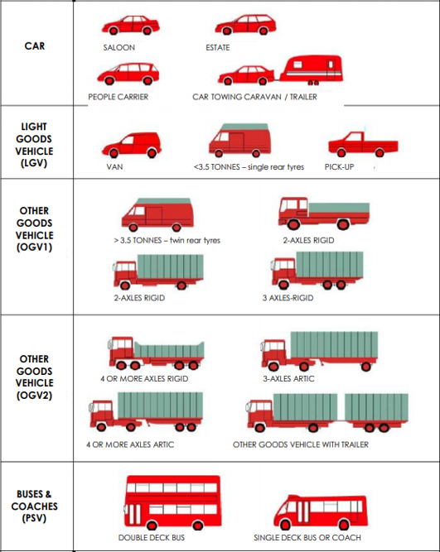
SP3 Axle Width | SP4 Axle Width | SP5 Axle Width |  | Time [-- | Time Range
 |  |  | MC/Pedalcyclist | Total | Total number of Vehicles
 |  |  |  | Vmin Speed | Minimum Recorded Speed
 |  |  | Car | Vmax Speed | Maximum Recorded Speed
 |  |  |  | Mean Average Speed | Average Recorded Speeds
 |  |  |  | Vpp 85% Speed | 85 % Percentile Speed
0.50 - 1.30 |  |  |  | Cls 1 Car | Total number of Vehicles
 |  |  | LGV | Cls 2 LGV | Total number of Vehicles
 |  |  |  | Cls 3 OGV1 | Total number of Vehicles
 |  |  |  | Cls 4 OGV2 | Total number of Vehicles
 |  |  | OGV1 | Cls 5 PSV | Total number of Vehicles
1.00 - 1.90 |  |  |  | ]PSL 80 | Number of vehicles in excess of Speed Limit
1.00 - 2.50 |  |  |  | Average Speed Car | Average Speed for Cars
 |  |  |  | Average Speed LGV | Average Speed for LGV
 |  |  |  | Average Speed OGV1 | Average Speed for OGV1
2.50 - 12.00 |  |  |  | Average Speed OGV2 | Average Speed for OGV2
0.50 - 2.50 |  |  |  | Average Speed PSV | Average Speed for PSV
1.05 - 2.50
1.05 - 1.30
2.00 - 15.00 |  |  | OGV2
2.00 - 15.00
2.00 - 12.00 | 1.00 - 1.90
1.90 - 12.00 | 2.50 - 12.00
2.00 - 15.00 | 1.00 - 2.50
2.00 - 15.00 | 1.00 - 2.50
0.70 - 1.80 | 0.70 - 1.80
1.90 - 12.00 | 2.00 - 12.00 | 1.00 - 1.90
2.00 - 15.00 | 1.00 - 1.90 | 1.00 - 1.90
 |  |  | PSV
...

